Questionnaire A3 and A4
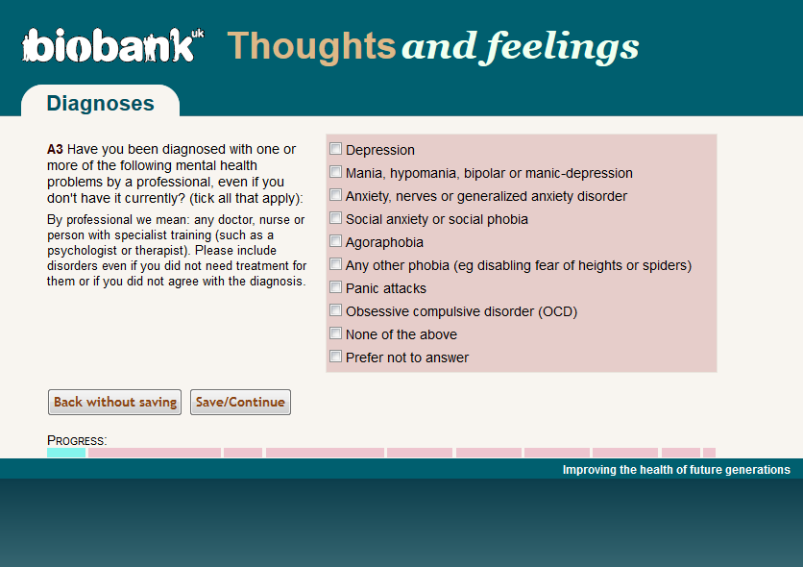
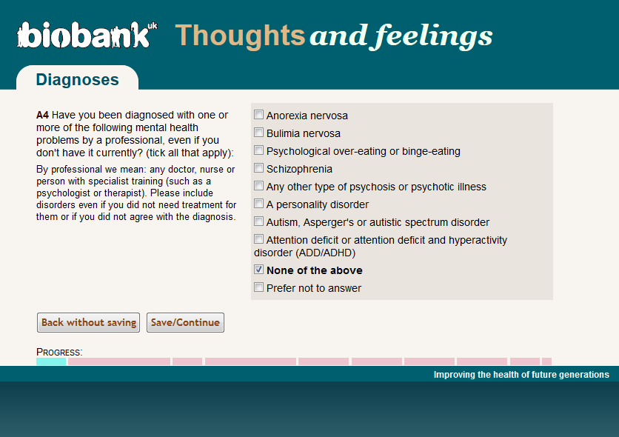

https://biobank.ctsu.ox.ac.uk/crystal/field.cgi?id=20544

GGIR hourly results
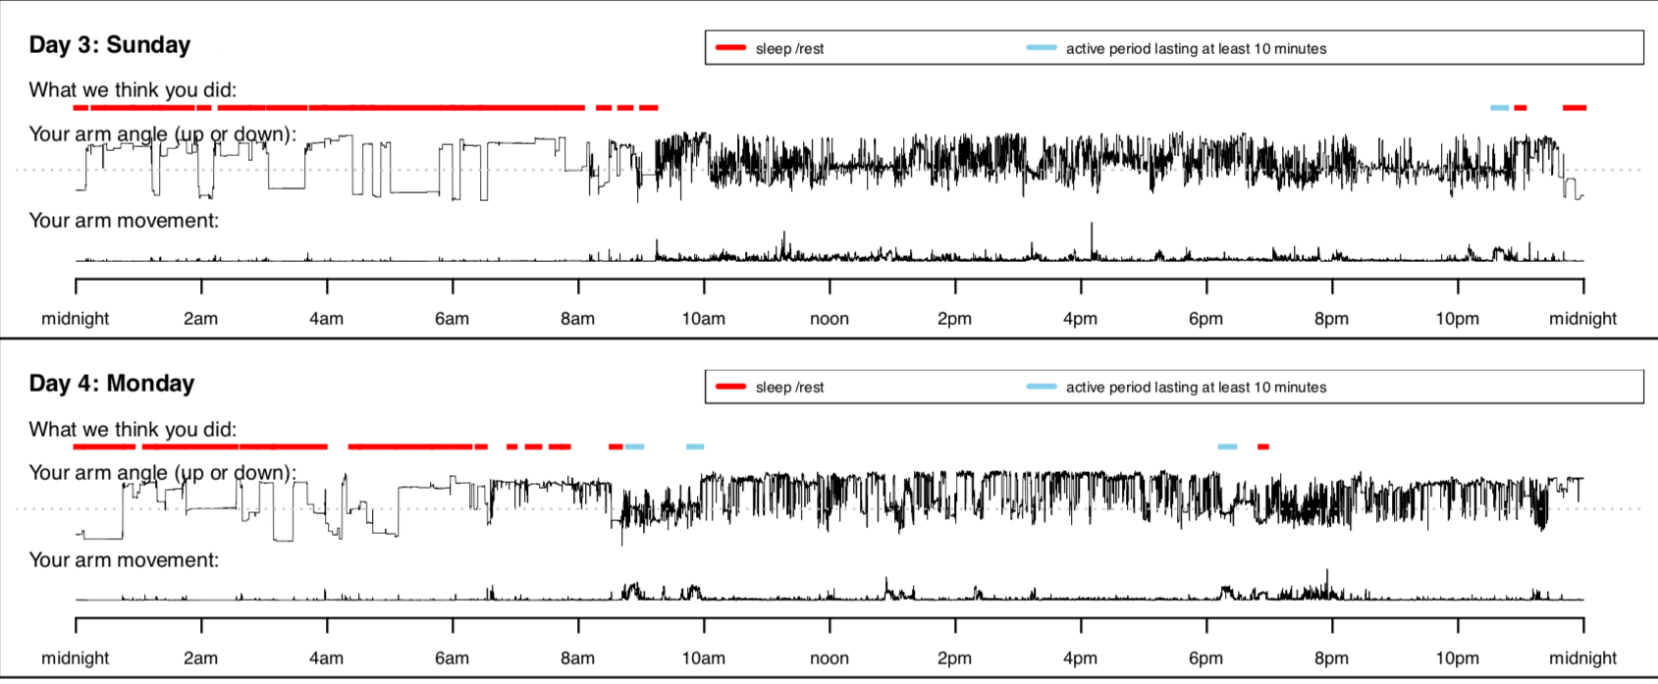

Few References
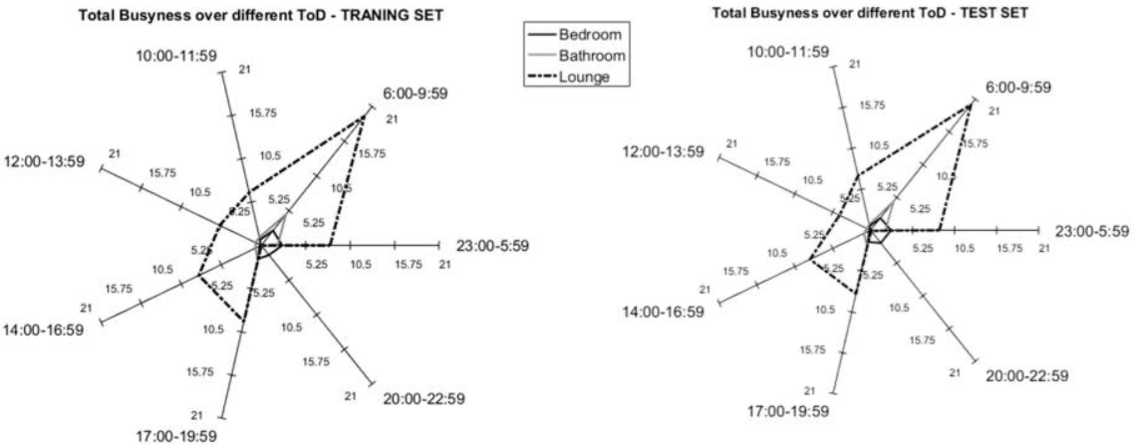
https://www.nature.com/articles/s41598-018-31266-z | Van Hees Article
https://www.cambridge.org/core/journals/bjpsych-open/article/mental-health-in-uk-biobank-development-implementation-and-results-from-an-online-questionnaire-completed-by-157-366-participants/42FE5EE2594346359A2070A2897CE414 | mental-health-in-uk-biobank-development-implementation-and-results-from-an-online-questionnaire-completed-by 157366 participants
https://www.ncbi.nlm.nih.gov/pubmed/28471405 | Unsupervised Machine Learning for Developing Personalised Behaviour Models Using Activity Data.
https://www.ncbi.nlm.nih.gov/pubmed/29069474 | The Validity and Value of Self-reported Physical Activity and Accelerometry in People With Schizophrenia: A Population-Scale Study of the UK Biobank

